Create Tag - PAP
DIABPS Sprint 1.1 - DIABPS-32 TEST CASES |  |  |  | TESTER INFO
Test Case ID: | DIABPS_32#09 |  |  | Created By: | Jordan Helman
User Story: | DIABPS-32 - Create a Tag (System-Wide) |  |  | Created On: | 2026-07-31
Story Description: | As a(n) Execution Admin, Programming Admin, Manpower Admin, Resource Management Lead, Execution Lead, Programming Lead, Manpower Lead, Execution Analyst, Programming Analyst, or Manpower Analyst, I can create a Tag that is within my organization or system-wide. |  |  | Reviewed By: | Kana Raghavan
User Role: | Programming Admin |  |  | Reviewed On: | 2026-08-14
Acceptance Criteria: |  |  |  | Executed By: | Jordan Helman
Environment: | DIABPS Test |  |  | Executed On: | 2026-08-19

TEST SCENARIO 1
Test Scenario: | A Programming Admin can create a new tag that is within their organization.
Pre-Conditions:
Execution Steps: |  | Input Data | Expected Result | Pass/Fail | Comments
STEP 1 | Log in as a Programming Admin https://ams-test.appiancloud.us/suite/ | Username: jordan.esprogrammingadmin | The user logs in successfully and is now on the Planning Module Home page | Pass
STEP 2 | Click the "TAGS" action located under ACTIONS & RESOURCES |  | The Tags record page displays | Pass
STEP 3 | Click the "+ CREATE TAG" button located on the top-right of the page |  | The Tag creation form displays in a pop-up window | Pass
STEP 4 | Tag* Text Field Enter a valid Tag | Tag: JH_TEST_TAG_32#0901 | The entered value persists with no error/validation message | Pass
STEP 5 | Description* Paragraph Field Enter a valid Description | Description: Test description for test case DIABPS_32#0901 [Created by ES Programming Admin] | The entered value persists with no error/validation message | Pass
STEP 6 | Organization Picker Field Tooltip: "Leave blank to make this tag available system-wide to all users" View all available options for selection Select an Organization | Organization: SF-SMO - Space Force | 1a. For DS Admin, the available options are limited to all RMOs and CCRMs 1b. For ES Admin, the available options are all RMOs, CCRMs, and SMOs 2. The selected value persists with no error/validation message | Pass | [Jordan]: Verify the options as both DS and ES Programming Admin
STEP 7 | Click the "CREATE TAG" button |  | The pop-up window closes | Pass
STEP 8 | Scroll to the bottom of the page and click the "Show Columns" link |  | A column selection section appears | Pass
STEP 9 | Click the "All" link |  | The "Last Modified By" and "Last Modified On" columns are added to the Tag record grid | Pass
STEP 10 | Verify a row for the new Tag appears in the grid |  |  | Pass
STEP 11 | Verify the data in each column for this row is correct |  |  | Pass
STEP 12 | Click the "View Details" icon located in the left-most column |  | A Tag summary view displays | Pass
STEP 13 | Verify all displayed data is correct |  |  | Pass
STEP 14 | Log out |  | The user is logged out of the application | Pass
Overall Status: | 1. A new Tag is created within the selected Organization 2. All data entered by the user is saved 3. The Tag's status is set to 'Active' 4. The system logs who created the tag and the timestamp |  |  | Pass

TEST SCENARIO 2
Test Scenario: | A Programming Admin can create a new system-wide tag.
Pre-Conditions:
Execution Steps: |  | Input Data | Expected Result | Pass/Fail | Comments
STEP 1 | Log in as a Programming Admin https://ams-test.appiancloud.us/suite/ | Username: jordan.esprogrammingadmin | The user logs in successfully and is now on the Planning Module Home page | Pass
STEP 2 | Click the "TAGS" action located under ACTIONS & RESOURCES |  | The Tags record page displays | Pass
STEP 3 | Click the "+ CREATE TAG" button located on the top-right of the page |  | The Tag creation form displays in a pop-up window | Pass
STEP 4 | Tag* Text Field Enter a valid Tag | Tag: JH_TEST_TAG_32#0902 | The entered value persists with no error/validation message | Pass
STEP 5 | Description* Paragraph Field Enter a valid Description | Description: Test description for test case DIABPS_32#0902 [Created by ES Programming Admin] | The entered value persists with no error/validation message | Pass
STEP 6 | Click the "CREATE TAG" button |  | The pop-up window closes | Pass
STEP 7 | Scroll to the bottom of the page and click the "Show Columns" link |  | A column selection section appears | Pass
STEP 8 | Click the "All" link |  | The "Last Modified By" and "Last Modified On" columns are added to the Tag record grid | Pass
STEP 9 | Verify a row for the new Tag appears in the grid |  |  | Pass
STEP 10 | Verify the data in each column for this row is correct |  |  | Pass
STEP 11 | Click the "View Details" icon located in the left-most column |  | A Tag summary view displays | Pass
STEP 12 | Verify all displayed data is correct |  |  | Pass
STEP 13 | Log out |  | The user is logged out of the application | Pass
Overall Status: | 1. A new system-wide Tag is created 2. All data entered by the user is saved 3. The Tag's status is set to 'Active' 4. The system logs who created the tag and the timestamp |  |  | Pass

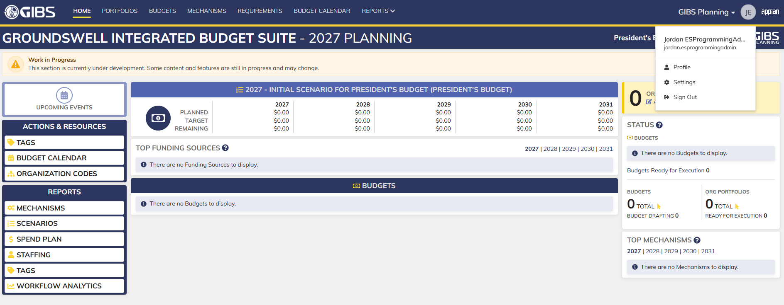
Evidences:
Scenario 1
 |  |  | Planning home page

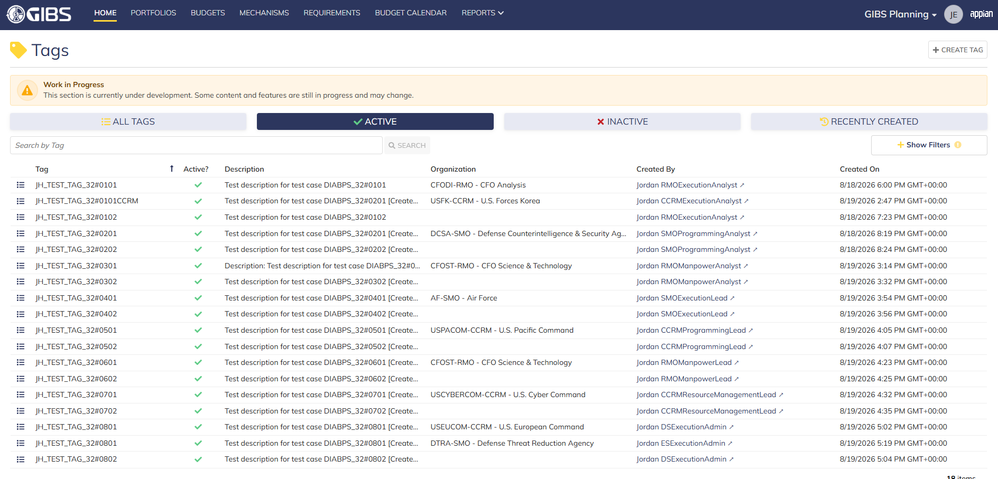
 |  |  | Tags record page

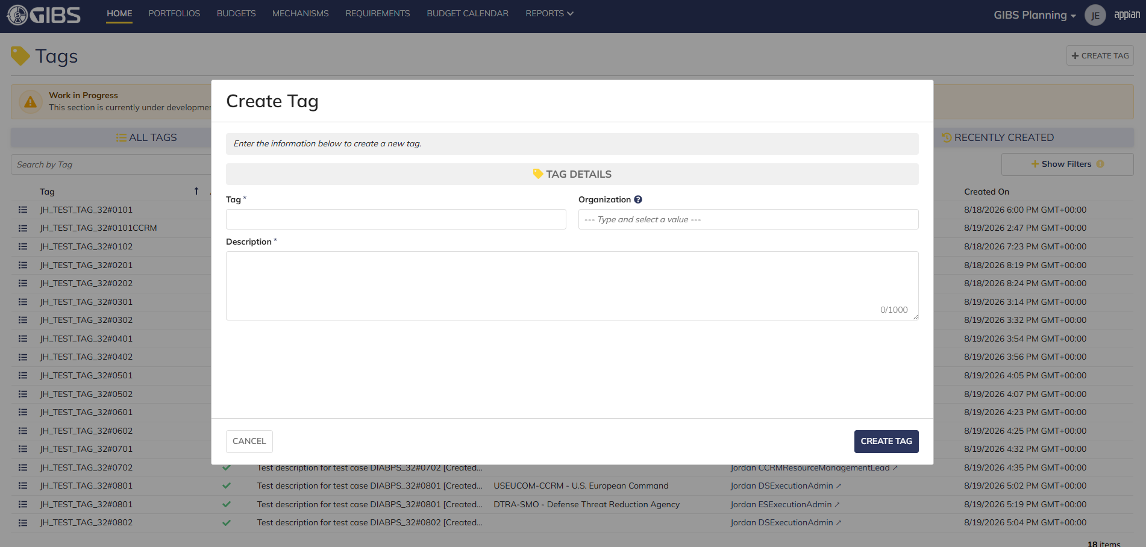
 |  |  | Tag creation form in pop-up window

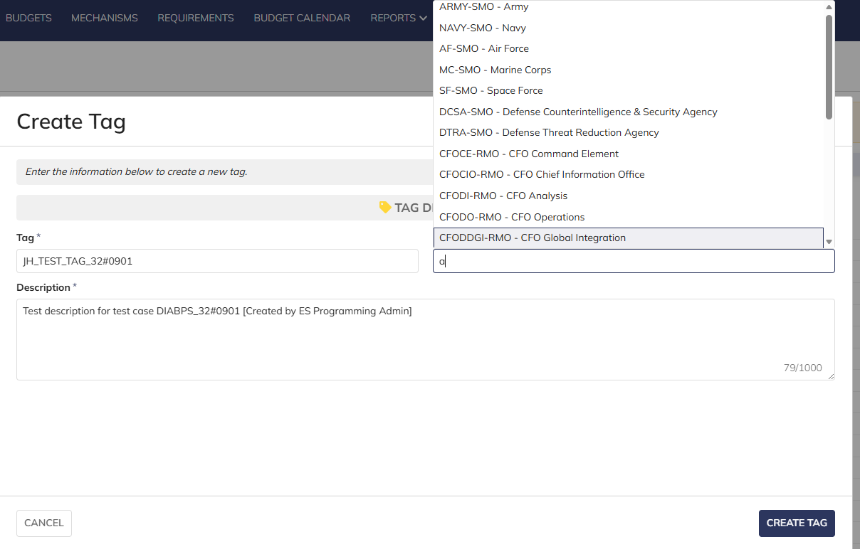
 |  |  | User can enter Tag and Description
 |  |  | For Organization, user can select all RMO/CCRM as DS Programming Admin and all RMO/CCRM/SMO as ES Programming Admin

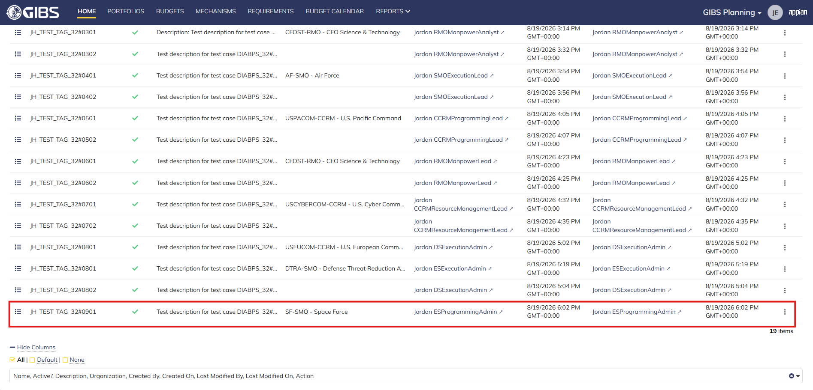
 |  |  | User successfully creates a tag within an organization. Tag is Active, all entered data is saved and audit information is saved

 |  |  | Summary View contains the same data

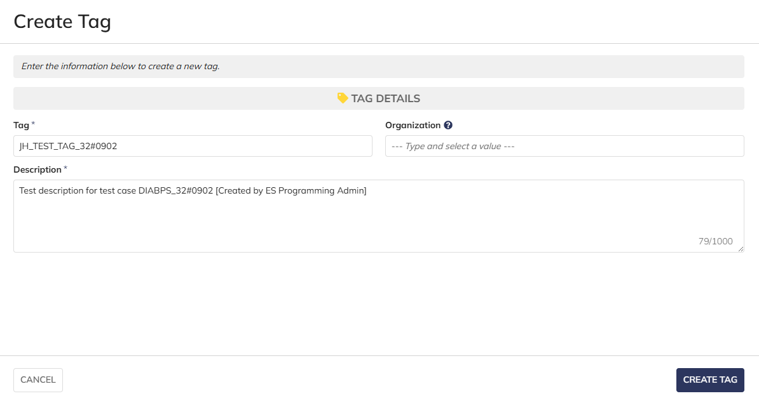
Scenario 2
 |  |  | User can create system-wide tags by leaving Organization blank

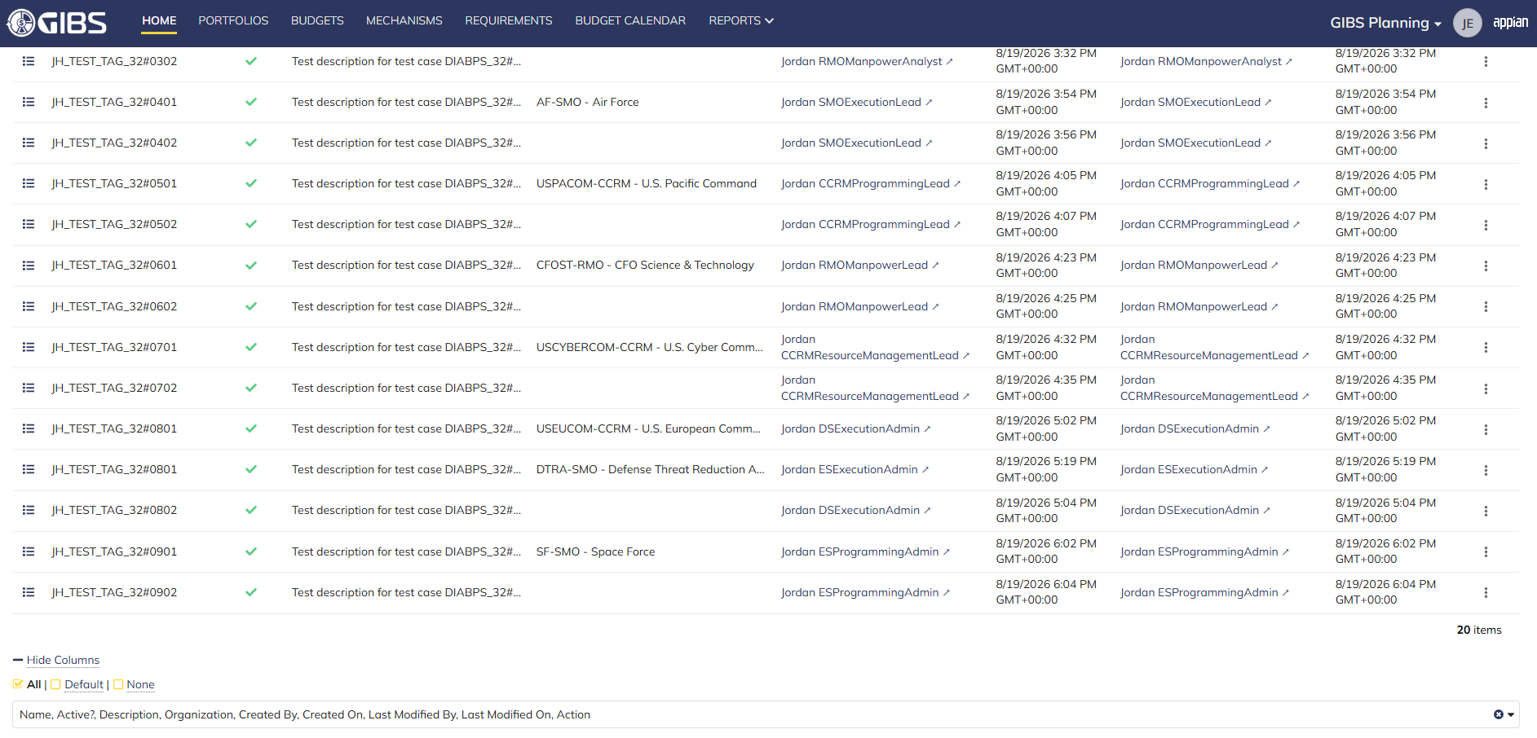
 |  |  | User successfully creates a system-wide tag. Tag is Active, all entered data is saved and audit information is saved

 |  |  | Summary View contains the same data

Update Tag - PAP
DIABPS Sprint 1.1 - DIABPS-33 TEST CASES |  |  |  | TESTER INFO
Test Case ID: | DIABPS_33#09 |  |  | Created By: | Jordan Helman
User Story: | DIABPS-33 - Update a Tag (System-Wide) |  |  | Created On: | 2026-08-03
Story Description: | As a(n) Execution Admin, Programming Admin, Manpower Admin, Resource Management Lead, Execution Lead, Programming Lead, Manpower Lead, Execution Analyst, Programming Analyst, or Manpower Analyst, I can update a Tag within my organization or system-wide Tags. |  |  | Reviewed By: | Kana Raghavan
User Role: | Programming Admin |  |  | Reviewed On: | 2026-08-14
Acceptance Criteria: |  |  |  | Executed By: | Jordan Helman
Environment: | DIABPS Test |  |  | Executed On: | 2026-08-20

TEST SCENARIO 1
Test Scenario: | A Programming Admin can update a tag that is within their organization.
Pre-Conditions: | At least 1 Active Tag with an associated organization exists in the system (the organization must be one that the Programming Admin is within/above)
Execution Steps: |  | Input Data | Expected Result | Pass/Fail | Comments
STEP 1 | Log in as a Programming Admin https://ams-test.appiancloud.us/suite/ | Username: jordan.esprogrammingadmin | The user logs in successfully and is now on the Planning Module Home page | Pass
STEP 2 | Click the "TAGS" action located under ACTIONS & RESOURCES |  | The Tags record page displays | Pass
STEP 3 | In the grid, locate the row for the Tag referenced in Pre-Conditions |  |  | Pass | [Jordan]: ES Programming Admin can update any Tag. DS Programming Admin can update any tag except SMO
STEP 4 | Click the "View Details" icon located in the left-most column |  | A Tag summary view displays | Pass
STEP 5 | Click the "ACTIONS" button located on the right-side of the page |  | The "Update Tag" action is available | Pass
STEP 6 | Click the "Update Tag" action |  | The Tag update form displays in a pop-up window | Pass
STEP 7 | Tag* Text Field Verify the field is pre-populated with record's current "Tag" value |  |  | Pass
STEP 8 | Clear the field and enter a different valid Tag | Tag: JH_TEST_TAG_33#0901 | The entered value persists with no error/validation message | Pass
STEP 9 | Description* Paragraph Field Verify the field is pre-populated with the record's current "Description" value |  |  | Pass
STEP 10 | Clear the field and enter a different valid Description | Description: Test description for test case DIABPS_33#0901 [Updated as ES Programming Admin] | The entered value persists with no error/validation message | Pass
STEP 11 | Organization Picker Field Tooltip: "Leave blank to make this tag available system-wide to all users" Verify the field is pre-populated with the record's current "Organization" value |  |  | Pass
STEP 12 | Verify the field is disabled and cannot be edited |  |  | Pass
STEP 13 | Click the "UPDATE TAG" button |  | The pop-up window closes | Pass
STEP 14 | Verify the "Tag" and "Description" fields reflect the updated values |  |  | Pass
STEP 15 | Verify the "Last Modified By" field is set to the logged-in user, and the "Last Modified On" field is set to the time you updated the Tag |  |  | Pass
STEP 16 | Click the "All Tags" link located on the left-side of the page |  | The Tags record page displays | Pass
STEP 17 | Scroll to the bottom of the page and click the "Show Columns" link |  | A column selection section appears | Pass
STEP 18 | Click the "All" link |  | The "Last Modified By" and "Last Modified On" columns are added to the Tag record grid | Pass
STEP 19 | Locate the row for the updated Tag |  |  | Pass
STEP 20 | Verify the "Tag" and "Description" columns reflect the updated values |  |  | Pass
STEP 21 | Verify the "Last Modified By" column is set to the logged-in user, and the "Last Modified On" column is set to the time you updated the Tag |  |  | Pass
STEP 22 | Log out |  | The user is logged out of the application | Pass
Overall Status: | 1. The Tag has been successfully updated 2. All data entered by the user is saved 3. The system logs who updated the tag and the timestamp |  |  | Pass

TEST SCENARIO 2
Test Scenario: | A Programming Admin can update a system-wide tag.
Pre-Conditions: | At least 1 Active Tag with no associated organization exists in the system
Execution Steps: |  | Input Data | Expected Result | Pass/Fail | Comments
STEP 1 | Log in as a Programming Admin https://ams-test.appiancloud.us/suite/ | Username: jordan.esprogrammingadmin | The user logs in successfully and is now on the Planning Module Home page | Pass
STEP 2 | Click the "TAGS" action located under ACTIONS & RESOURCES |  | The Tags record page displays | Pass
STEP 3 | In the grid, locate the row for the Tag referenced in Pre-Conditions |  |  | Pass
STEP 4 | Click the "View Details" icon located in the left-most column |  | A Tag summary view displays | Pass
STEP 5 | Click the "ACTIONS" button located on the right-side of the page |  | The "Update Tag" action is available | Pass
STEP 6 | Click the "Update Tag" action |  | The Tag update form displays in a pop-up window | Pass
STEP 7 | Tag* Text Field Verify the field is pre-populated with record's current "Tag" value |  |  | Pass
STEP 8 | Clear the field and enter a different valid Tag | Tag: JH_TEST_TAG_33#0902 | The entered value persists with no error/validation message | Pass
STEP 9 | Description* Paragraph Field Verify the field is pre-populated with the record's current "Description" value |  |  | Pass
STEP 10 | Clear the field and enter a different valid Description | Description: Test description for test case DIABPS_33#0902 [Updated as ES Programming Admin] | The entered value persists with no error/validation message | Pass
STEP 11 | Organization Picker Field Verify the field is blank |  |  | Pass
STEP 12 | Verify the field is disabled and cannot be edited |  |  | Pass
STEP 13 | Click the "UPDATE TAG" button |  | The pop-up window closes | Pass
STEP 14 | Verify the "Tag" and "Description" fields reflect the updated values |  |  | Pass
STEP 15 | Verify the "Last Modified By" field is set to the logged-in user, and the "Last Modified On" field is set to the time you updated the Tag |  |  | Pass
STEP 16 | Click the "All Tags" link located on the left-side of the page |  | The Tags record page displays | Pass
STEP 17 | Scroll to the bottom of the page and click the "Show Columns" link |  | A column selection section appears | Pass
STEP 18 | Click the "All" link |  | The "Last Modified By" and "Last Modified On" columns are added to the Tag record grid | Pass
STEP 19 | Locate the row for the updated Tag |  |  | Pass
STEP 20 | Verify the "Tag" and "Description" columns reflect the updated values |  |  | Pass
STEP 21 | Verify the "Last Modified By" column is set to the logged-in user, and the "Last Modified On" column is set to the time you updated the Tag |  |  | Pass
STEP 22 | Log out |  | The user is logged out of the application | Pass
Overall Status: | 1. The Tag has been successfully updated 2. All data entered by the user is saved 3. The system logs who updated the tag and the timestamp |  |  | Pass

TEST SCENARIO 3
Test Scenario: | A Programming Admin cannot update a Tag associated to an organization they are not within.
Pre-Conditions: | At least 1 Active Tag with an associated organization exists in the system (the organization must be one that the Programming Admin is NOT within/above)
Execution Steps: |  | Input Data | Expected Result | Pass/Fail | Comments
STEP 1 | Log in as a Programming Admin https://ams-test.appiancloud.us/suite/ | Username: jordan.dsprogrammingadmin | The user logs in successfully and is now on the Planning Module Home page | Pass
STEP 2 | Click the "TAGS" action located under ACTIONS & RESOURCES |  | The Tags record page will display | Pass
STEP 3 | In the grid, locate the row for the Tag referenced in Pre-Conditions |  |  | Pass | [Jordan]: This does not apply to ES Programming Admin as they preside over all available organizations. DS Programming Admin cannot access SMOs.
STEP 4 | Click the "View Details" icon located in the left-most column |  | A Tag summary view displays | Pass
STEP 5 | Verify the "ACTIONS" button does not appear on this page |  |  | Pass
STEP 6 | Log out |  | The user is logged out of the application | Pass
Overall Status: | The user cannot access the "Update Tag" action |  |  | Pass

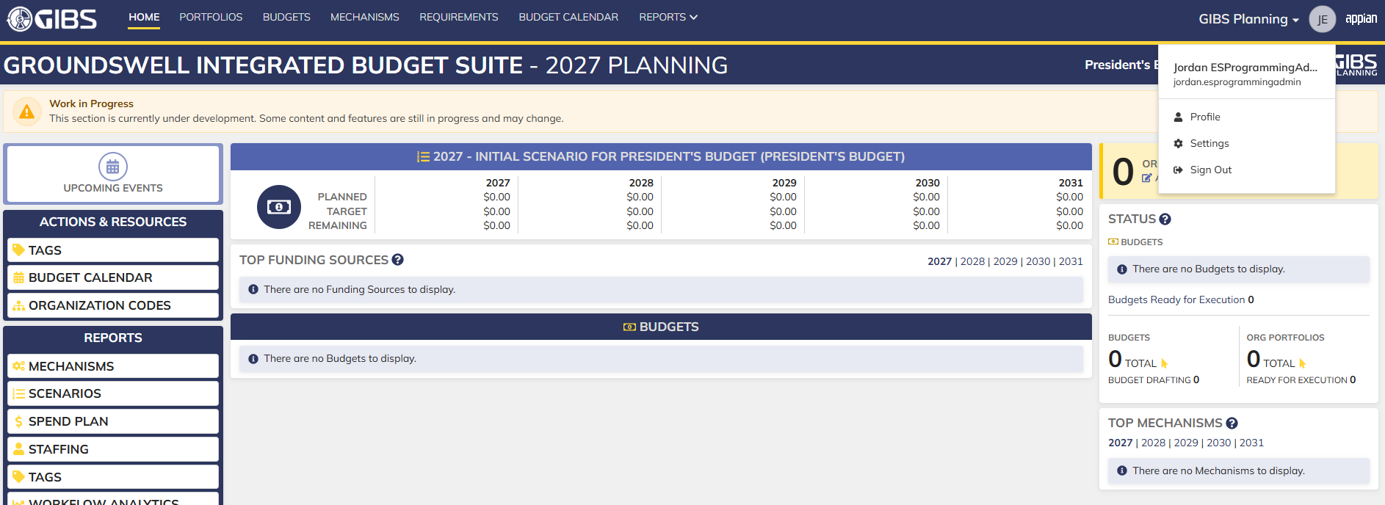
Evidences:
Scenario 1
 |  |  | Planning home page

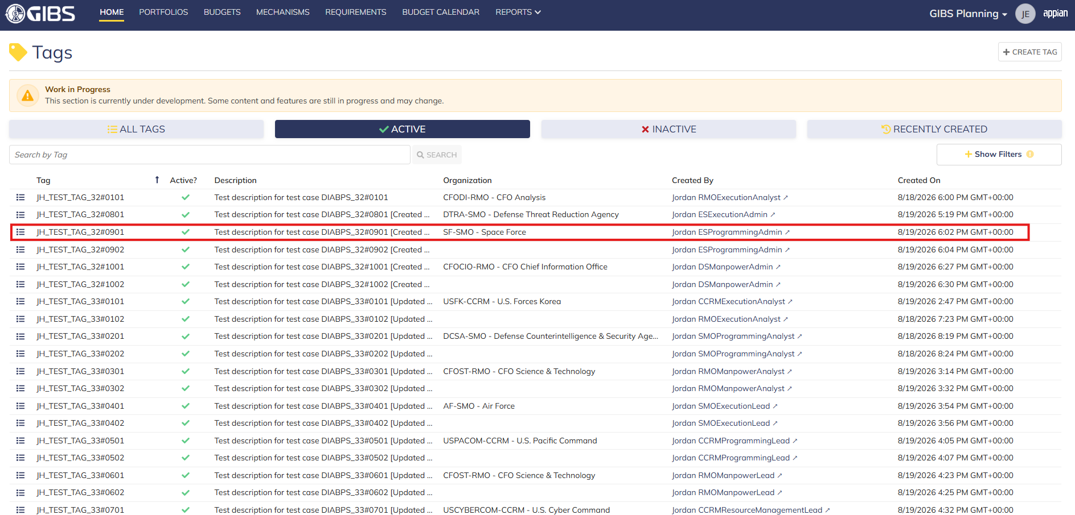
 |  |  | Tags record page. Tag referenced in Pre-Conditions noted

 |  |  | Summary View of referenced Tag. The "Update Tag" action is available under the "ACTIONS" button

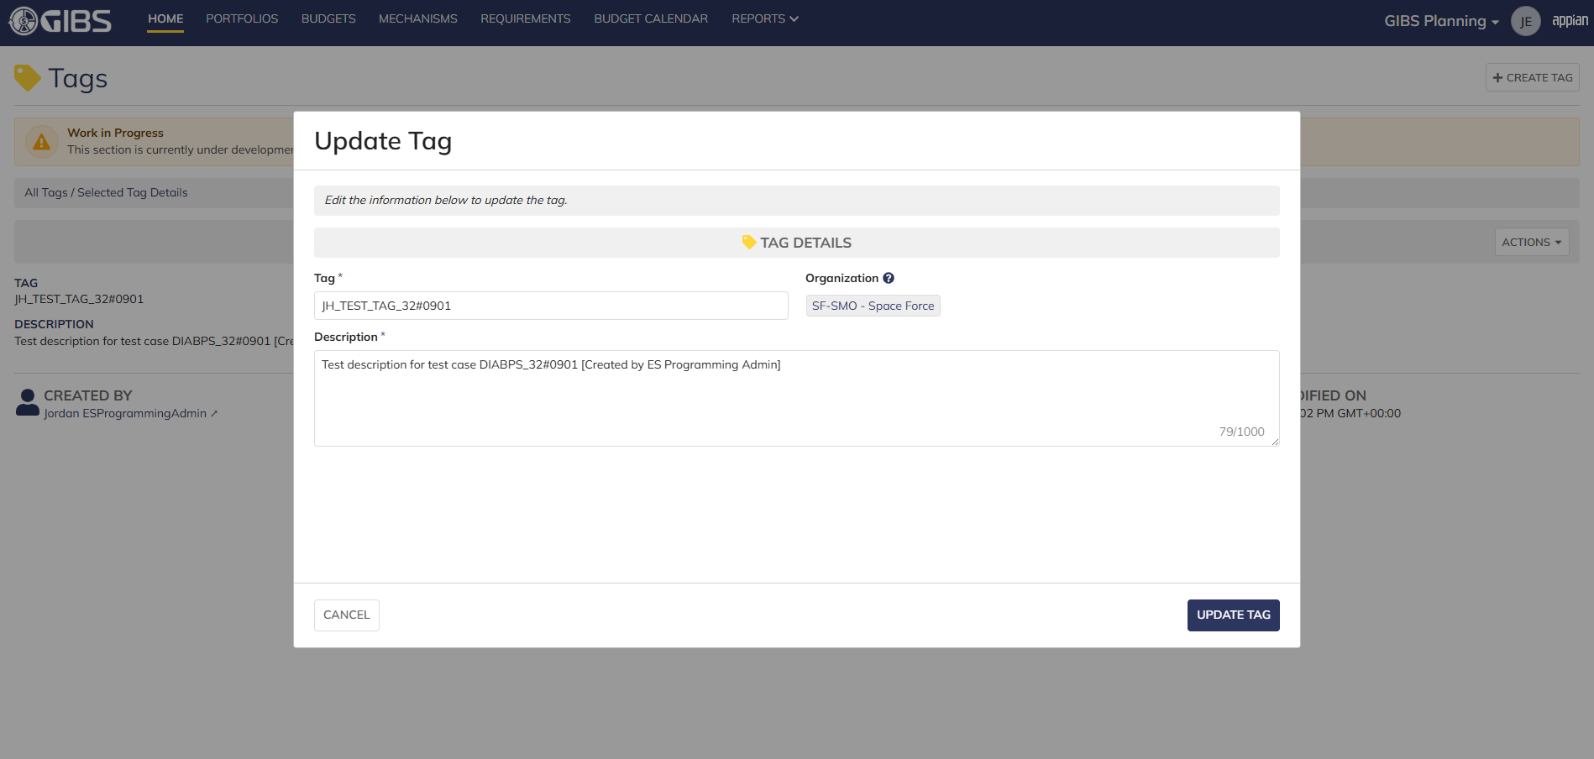
 |  |  | Tag update form in pop-up window. Matching data pre-populates each field

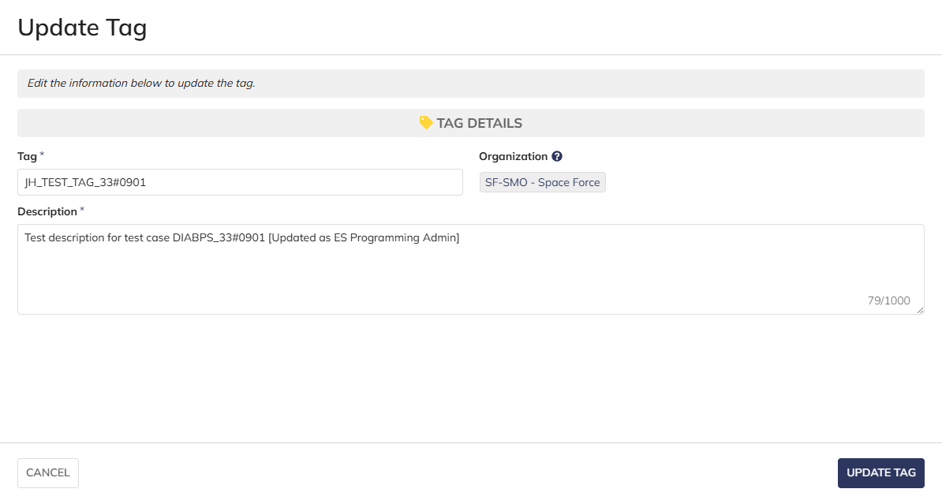
 |  |  | User can edit the Tag and Description
 |  |  | For Organization, the field is disabled for editing

 |  |  | User successfully updates a tag associated to an organization. All entered data is saved and audit information is saved

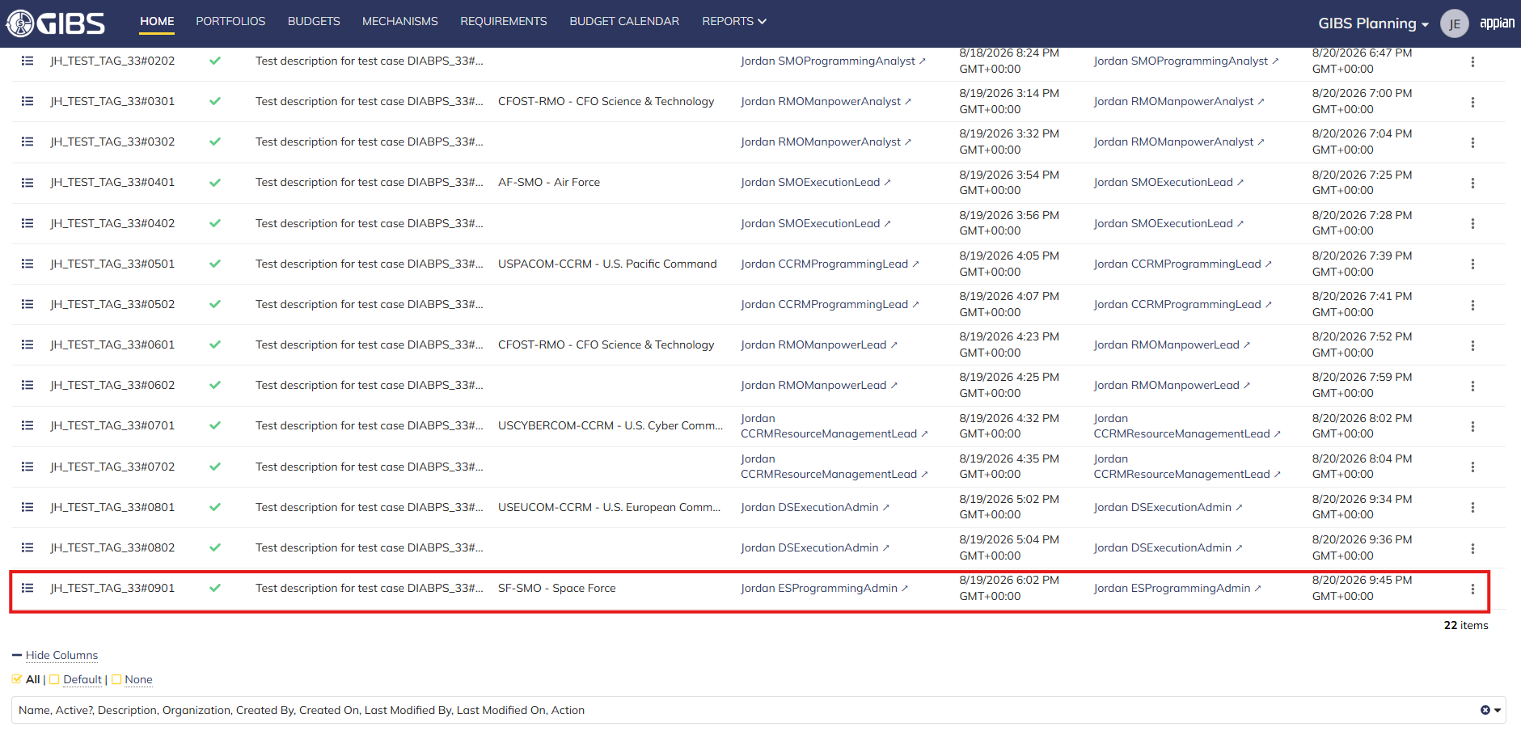
 |  |  | Grid row reflects the same data

Scenario 2
 |  |  | Summary View of referenced Tag. The "Update Tag" action is available under the "ACTIONS" button


 |  |  | User can edit the Tag and Description
 |  |  | For Organization, the field is blank and disabled for editing

 |  |  | User successfully updates a system-wide tag. All entered data is saved and audit information is saved

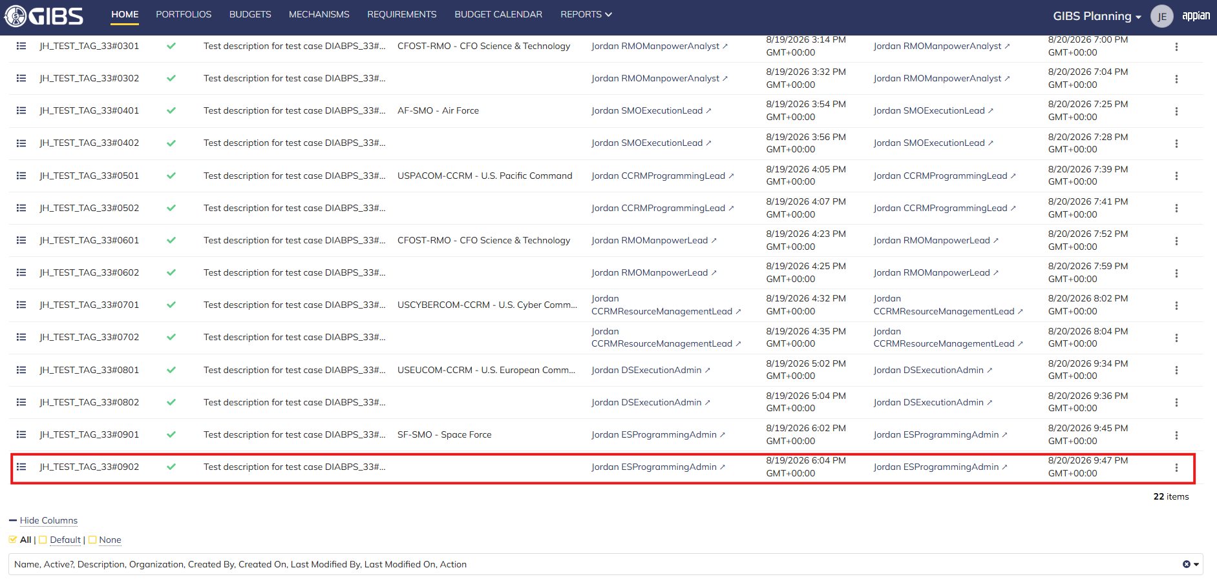
 |  |  | Grid row reflects the same data

Scenario 3
 |  |  | Summary View of a tag associated to an SMO (as DS Programming Admin). The "ACTIONS" button is hidden

Create Requirement - PAP
DIABPS Sprint 1.1 - DIABPS-39 TEST CASE SCENARIO |  | TESTER INFO
Test Case ID: | DIABPS_39#01 | Created By: | Kana Raghavan
Test Scenario: | A user with an appropriate role can create a new requirement (Planning and Execution) | Created On: | 2026-07-30
User Story: | Create a new requirement | Reviewed By: | Jordan Helman
Story Description: | As a Programming Lead or Programming Admin, user can create a requirement to keep track of items that need to be implemented for the fiscal year. | Reviewed On: | 2026-08-14
Environment: | GIBS Test | Executed By:
User Role(s): | Programming Admin for (ES/DS) Org | Executed On:
Pre-Conditions: | User able to login to modules ( Planning and Execution) successfully as Programming Admin and assigned to specific Org (ES/DS)
Acceptance Criteria | The user will be able to complete the following information when creating a requirement (fields with an asterisk ( * ) indicate required fields): Title* Text field, 255 character limit Description* Text field, 4000 character limit Organization Code* Multiple-select The options available for selection will be limited to the organizations that the user is a Programming Lead or Programming Admin for at the Resource Management Office, Combatant Command, or Service level Documents File Upload field, 10 document limit Tags System-wide tags are available to select Organization tags are available based on the organization codes selected in AC 1C The system will record the user who performed the action and the datetime it was performed.

Step Number | Step Description | Input Data | Expected Results | Pass/Fail
STEP 1 | Log in as a user with Programming Admin credential. User should be assigned to a specific Org (ES/DS). https://ams-test.appiancloud.us/suite/ | Username: |  | Pass
STEP 2 | Click on GIBS Planning module on top right dropdown to launch Planning module |  | User able to click on module and able to launch Planning module | Pass
STEP 3 | Click on "Requirements" Tab |  | User able to click requirements tab and current active requirements grid is displayed | Pass
STEP 4 | User clicks on "Create Requirement" |  | User able to successfully launch new requirement window | Pass
STEP 5 | New requirement window is launched and below Fields are displayed : Requirement Details and Upload Documents section Title Organization Code Description Tags Select Tags to Add Manage Selected Tags |  | Mandatory and optional fields are displayed Title, Org code and Description are mandatory fields Tag section is optional Documents are optional | Pass
STEP 6 | User populates all displayed( Mandatory) fields: Title*- Text field Description*- Text field Organization Code* - Picker field | Any Text Char limit of 255 for Title Any Text Char limit of 4000 for Description Select Pre-populated Organization code | User able to input details with char limit of 255 for "Title"field User able to input details with Char limit of 4000 for "Description" User able to type and select Organization code from pre-populated list- For DS Admin, the available options are limited to all RMOs and CCRMs. For ES Admin, the available options are all RMOs, CCRMs, and SMOs | Pass
STEP 7 | Click "Upload" in document section. All document types are allowed. | Browse and upload document Document name should be unique and not duplicate | User able to successfully upload document with unique names Max document count is 10. User should be able to upload all document types | Pass
STEP 8 | User navigates to "Select Tags to Add" section Search and select Tags to add to Requirement Select multiple tags Selected Tags will be displayed on the right side Populate % for each Tag (Required field) | Select Multiple Tags to add to requirement Populate % field for each tag. This value is required field | User able to add multiple tags successfully Tag options are limited to system-wide or matching the selected Organization Tags added are displayed on the right side User able to populate % for each tag. This is mandatory field | Pass
STEP 9 | Manage Selected Tags section- Selected Tags are displayed in this section | Click on X to delete the added Tags and it should remove from the requirement | User able to successfully remove Tags | Pass
STEP 10 | User able to click "Create requirement" to complete the action |  | User successfully creates requirement and new requirement is displayed in the grid with the details | Pass
STEP 11 | Cancel functionality- Repeat above steps 3-9 and click on Cancel button |  | User able to successfully click on Cancel and requirement window will exit and entered data not saved | Pass
Evidences

Login as Programming Admin_Planning module

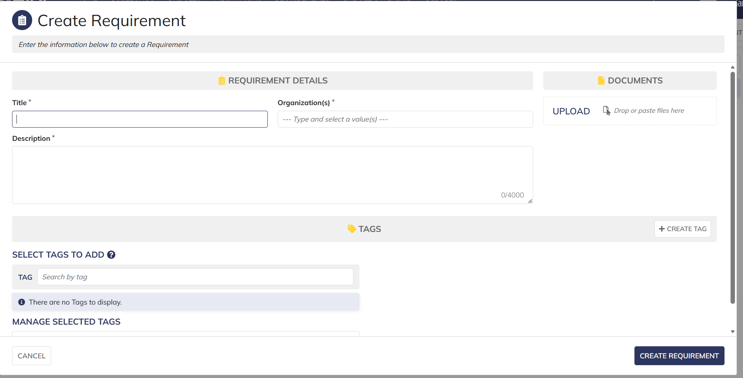

 |  |  | User able to open "Create requirement'

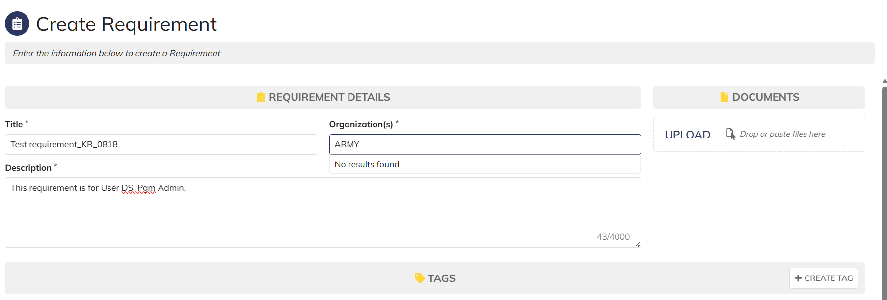

 |  |  | User is DS org group and unable to access services Org codes

 |  |  | User is DS org group and unable to access services Org codes

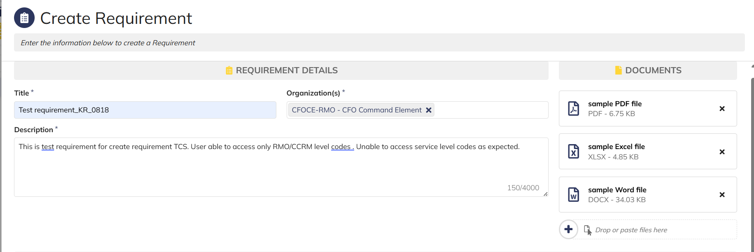

 |  |  | User able to upload multiple documents and download

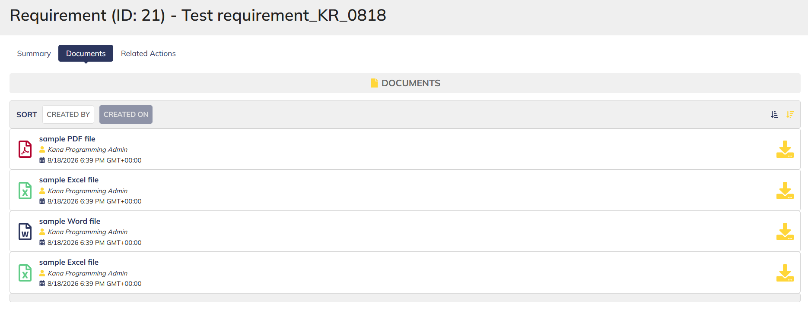

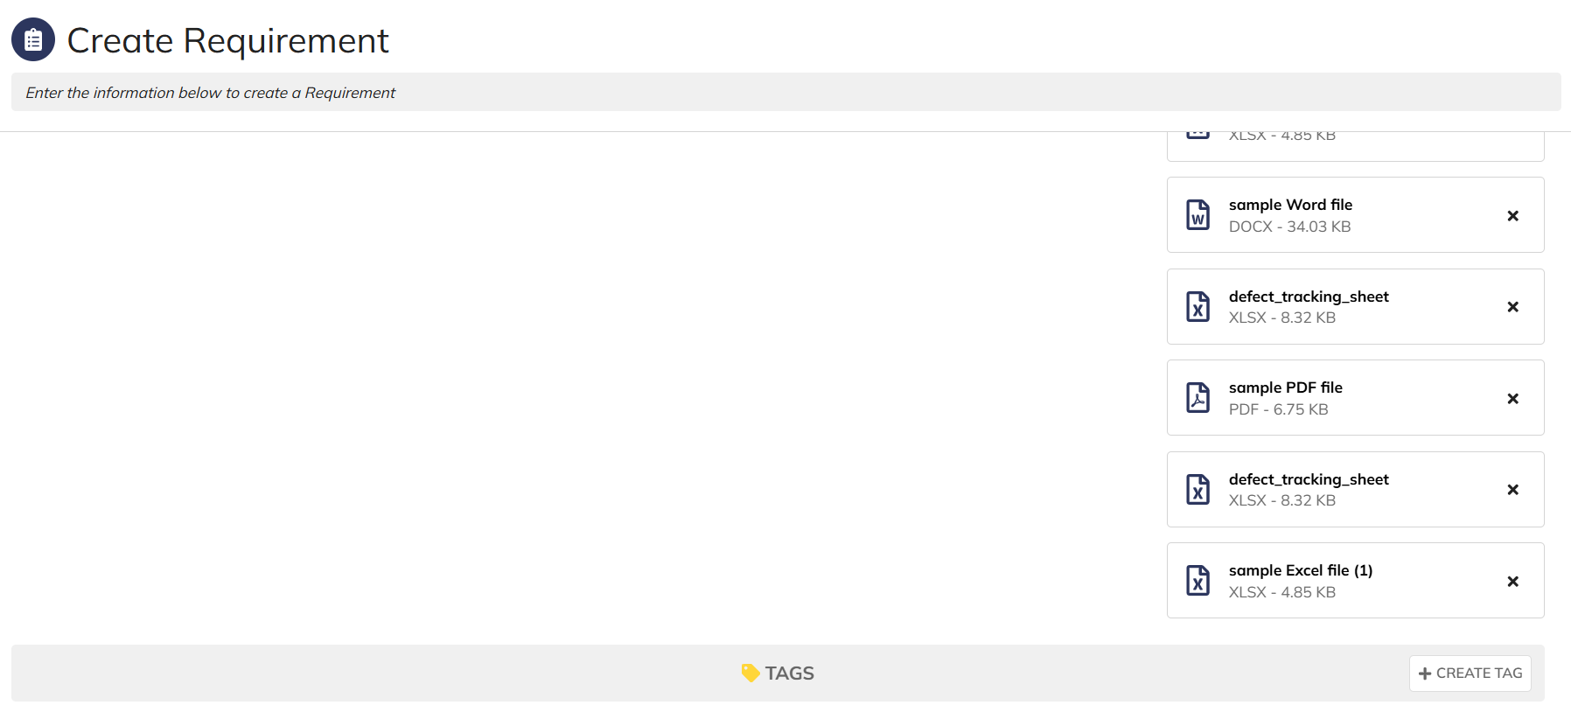

 |  |  | User allowed to upload max 10 documents

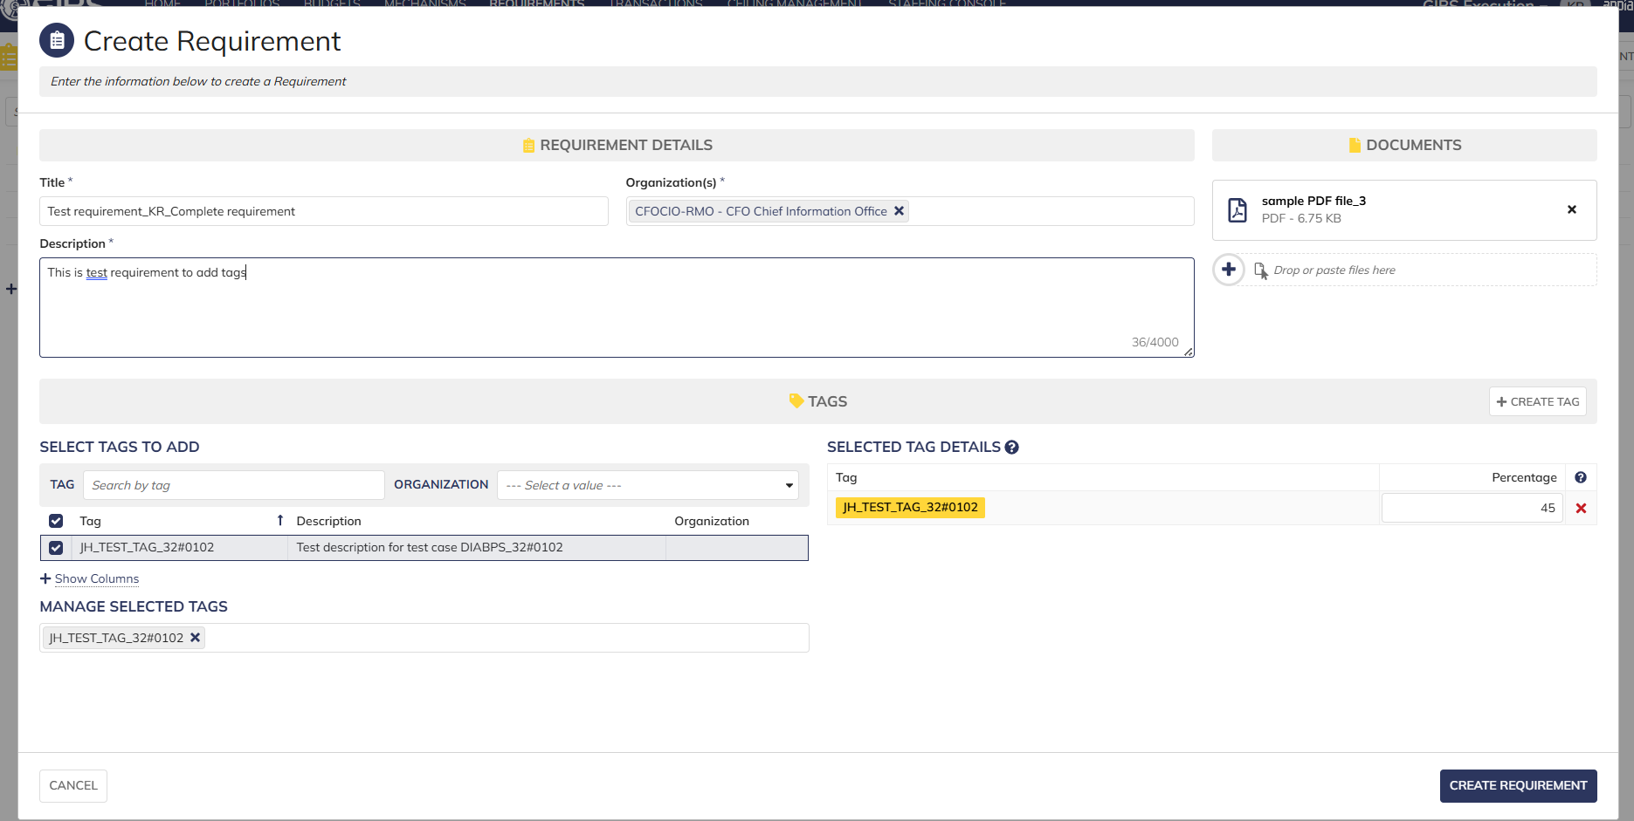

 |  |  | User able to add tag and complete requirement creation

Update Requirement - PAP
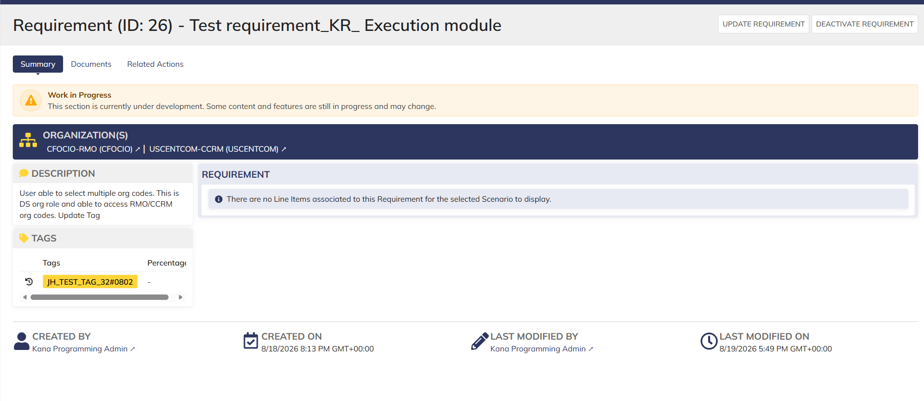
DIABPS Sprint 1.1 - DIABPS-41 TEST CASE SCENARIO |  | TESTER INFO
Test Case ID: | DIABPS_41#01 | Created By: | Kana Raghavan
Test Scenario: | A user with an appropriate role can update a requirement | Created On: | 2026-07-31
User Story: | Update requirement( Planning and Execution Modules) | Reviewed By: | Jordan Helman
Story Description: | As a Programming Admin, user can update a requirement to ensure the necessary content is up to date while tracking items for the fiscal year. | Reviewed On: | 2026-08-14
Environment: | GIBS Test | Executed By:
User Role(s): | Programming Admin for (ES/DS) Org | Executed On:
Pre-Conditions: | User able to login to Planning module successfully as Programming Admin who is assigned to specific Org (ES/DS)
Acceptance Criteria | The user will be able to complete the following information when creating a requirement (fields with an asterisk ( * ) indicate required fields): Title* Text field, 255 character limit Description* Text field, 4000 character limit Organization Code* Multiple-select The options available for selection will be limited to the organizations that the user is a Programming Lead or Programming Admin for at the Resource Management Office, Combatant Command, or Service level Documents File Upload field, 10 document limit Tags System-wide tags are available to select Organization tags are available based on the organization codes selected in AC 1C User has the option to cancel the update The system will record the user who performed the action and the datetime it was performed.

Step Number | Step Description | Input Data | Expected Results | Pass/Fail
STEP 1 | Log in as a user with Programming Admin credential. User should be assigned to a specific Org (ES/DS). https://ams-test.appiancloud.us/suite/ | Username: |  | Pass
STEP 2 | Click on GIBS Planning module on top right dropdown to launch Planning module | N/A | User able to click on dropdown and able to launch Planning module | Pass
STEP 3 | Click on "Requirements" Tab | N/A | User able to click requirements tab and current requirements are displayed with all details | Pass
STEP 4 | User able to view all the requirements listed with below headers ID Title Description Organization code Active | N/A | Current requirements are listed with below fields ID Title Description Organization code Active | Pass
STEP 5 | User clicks on ID to open the requirement | N/A | User able to click on ID and requirement screen is displayed | Pass
STEP 6 | Requirement screen is displayed with Requirement ID, Title as header Update Requirement option is enabled and displayed on top right corner Sub-tabs are displayed and user able to click on below tabs: Summary Documents Related actions | N/A | Requirement screen with details and Update requirement option is displayed and user able to click on all sub-tabs successfully | Pass
STEP 7 | User clicks on "Update Requirement" from Summary sub tab | N/A | User successfully clicks on update requirement option and requirement screen to edit is displayed | Pass
STEP 8 | User edits the following fields in the screen Title Description Able to select and deselect Tags Upload document Organization code displayed as hyperlink (cannot edit this field) | User Input below Data: Title-Test Case DIA BPS #41 Description- Updated requirement to test scenario as part of Sprint 1 | User successfully edits fields | Pass
STEP 9 | Click on "Update Requirement" button | N/A | User able to click on "Update requirement" and "Action Completed" is displayed | Pass
STEP 10 | On Summary Screen system will record the user who performed the action and the datetime it was performed. Below details are displayed for successful update Created By Created On Last Modified By Last Modified On | N/A | System successfully records the update and is displayed | Pass
STEP 11 | User able to perform steps 8-10 by clicking on "Update Requirement" option from "Related Action" Tab | Same as Steps 8-10 | User able to successfully update requirement and records are updated accordingly | Pass

Evidences

 | Login as ES Programming Admin

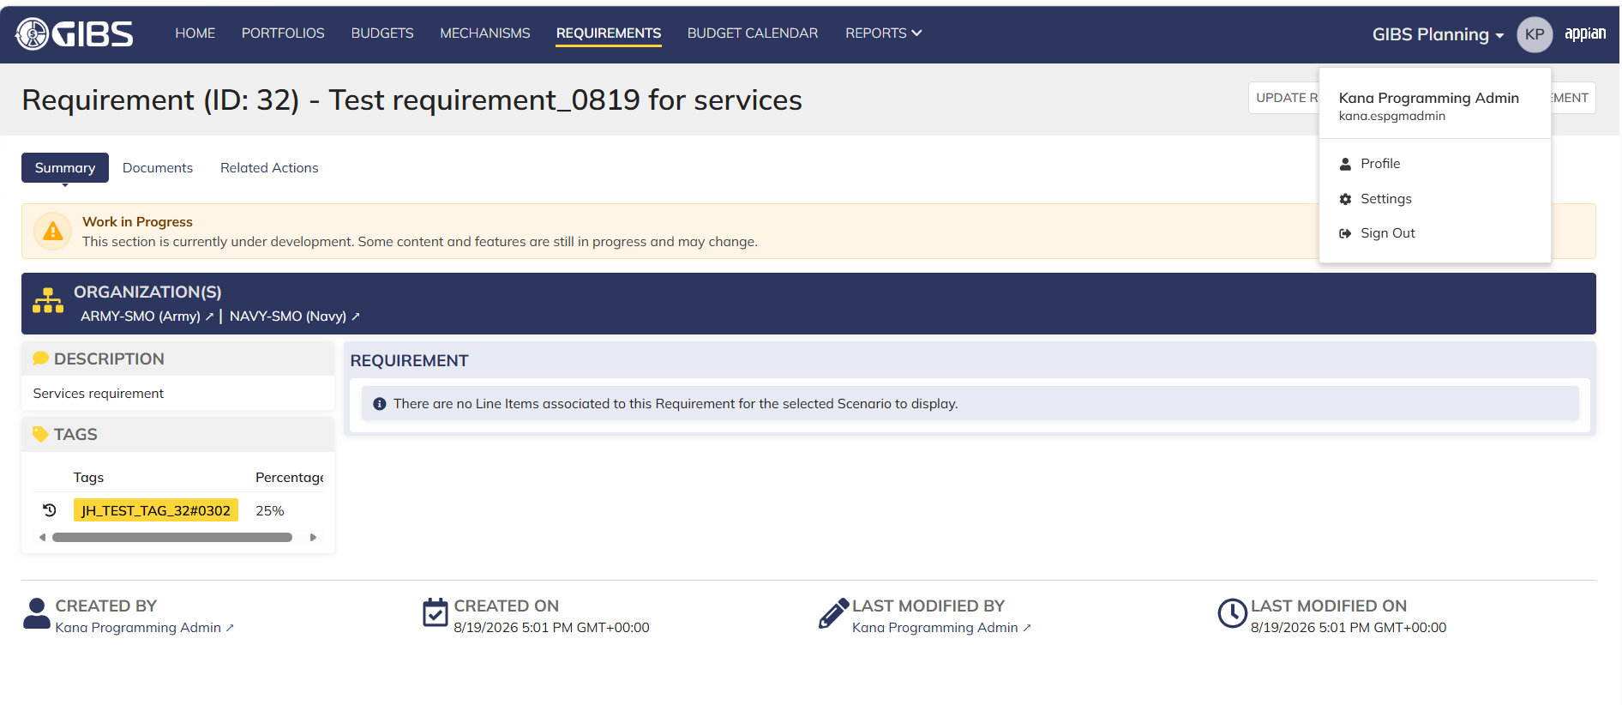

 | User clicks on Requirement ID



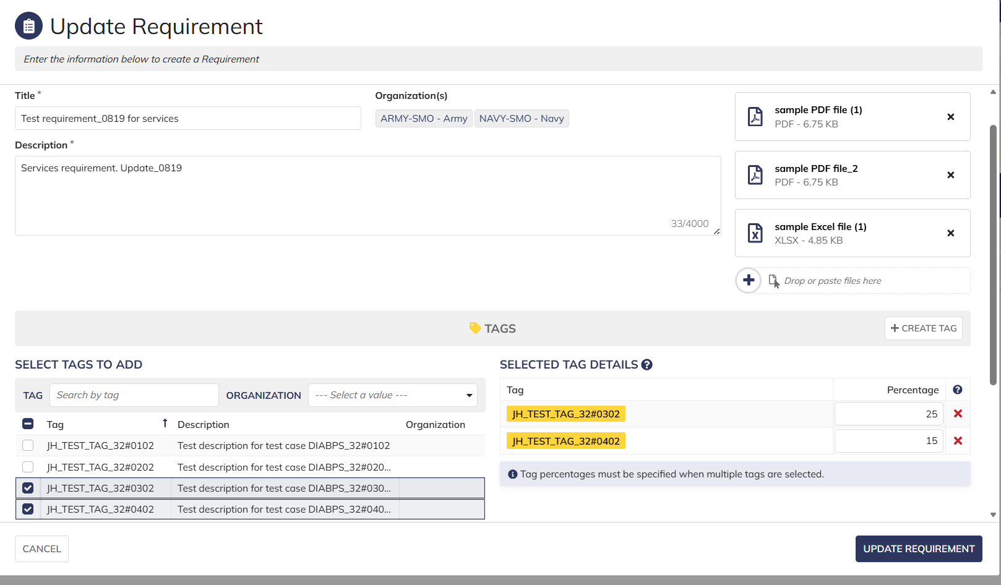

 | After clicking Update requirement, screen displayed with updated items. System recorded information is displayed

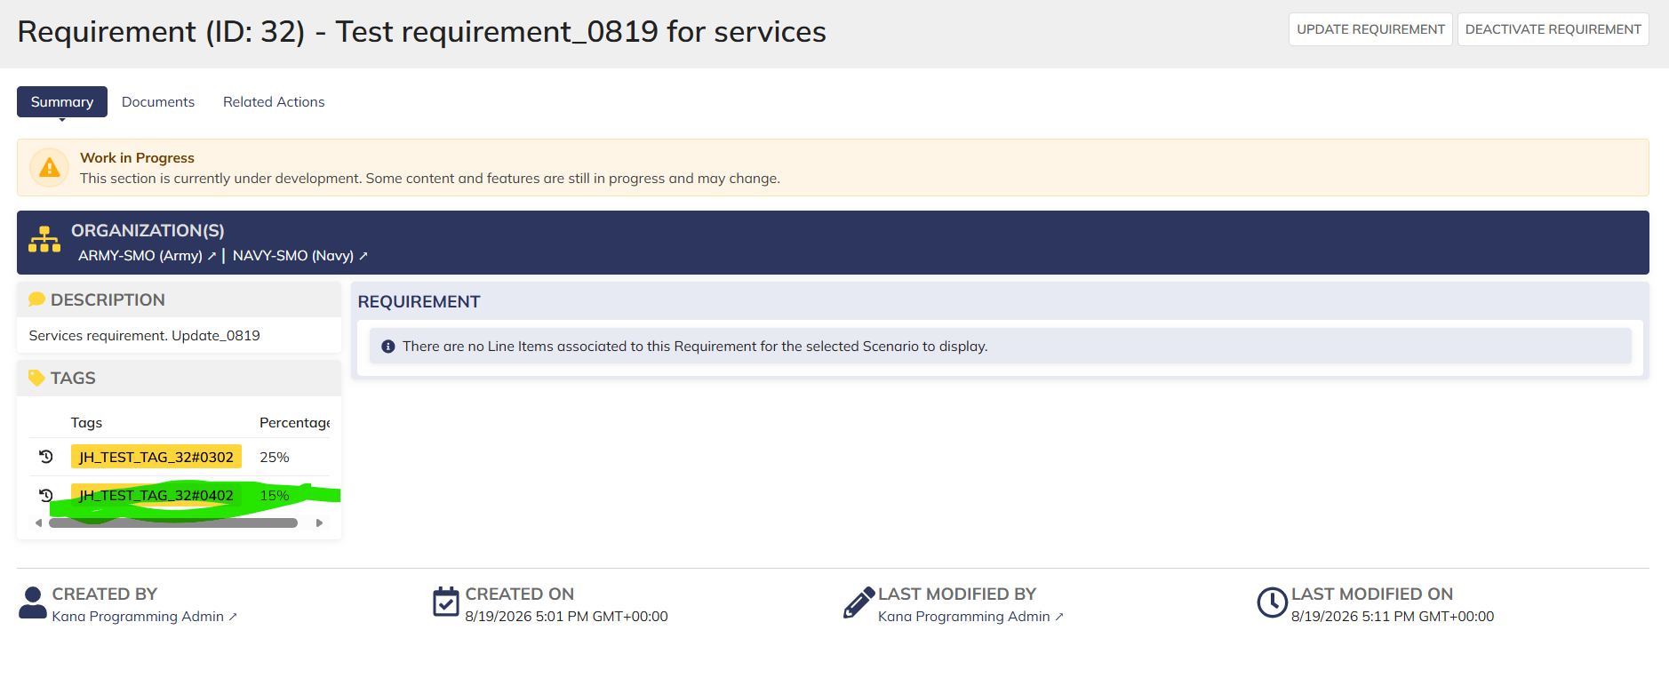

 | Login as DS Programming Admin- Only RMO/CCRM org codes requirements are displayed



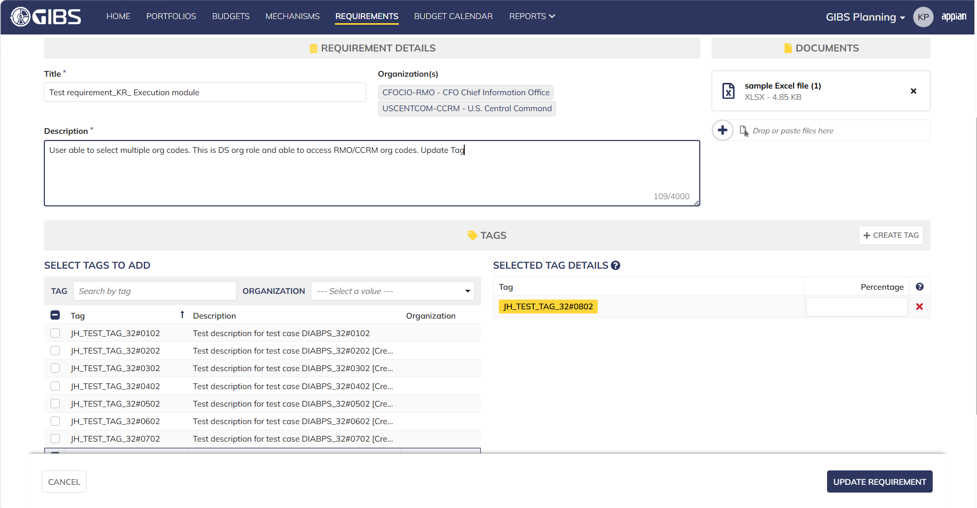

 | Newly added Tag

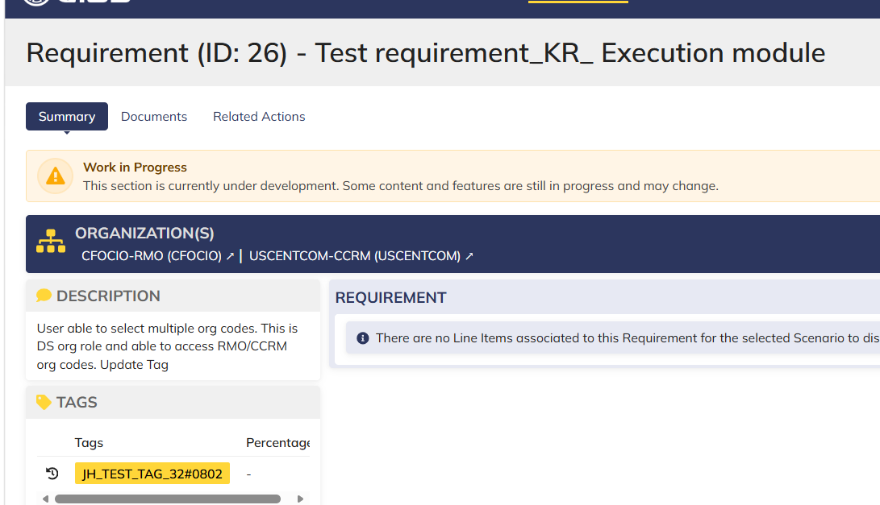

 | System information captured

View Requirement - PAP
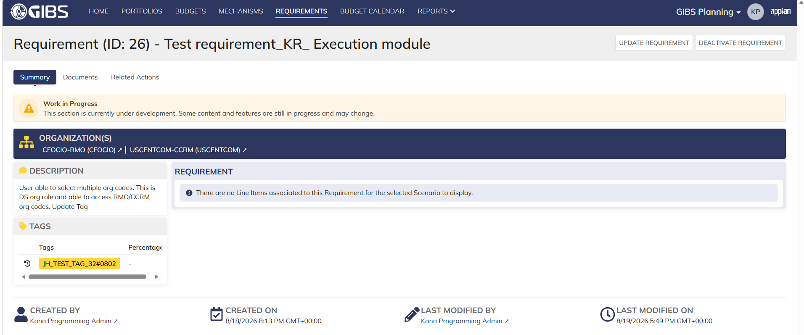
DIABPS Sprint 1 - DIABPS-129 TEST CASE SCENARIO |  | TESTER INFO
Test Case ID: | DIABPS_129#01 | Created By: | Kana Raghavan
Test Scenario: | A user with an appropriate role can view a requirement from planning module | Created On: | 2026-08-03
User Story: | View a requirement(Planning and Execution modules) | Reviewed By: | Jordan Helman
Story Description: | As a(n) Execution Admin, Programming Admin, Manpower Admin, Resource Management Lead, Execution Lead, Programming Lead, Manpower Lead, Execution Analyst, Programming Analyst, or Manpower Analyst, DDFor/CCMD/Office Business Manager, Office Chief, or Viewer at any level (ES, DS, Service, RMO, CCRM, CCMD, DDFor, or Office) user can view requirements within their organization to review its details. | Reviewed On: | 2026-08-14
Environment: | GIBS Test | Executed By: | Kana Raghavan
User Role(s): | Programming Admin for (ES/DS) Org | Executed On: | 2026-08-20
Pre-Conditions: | User able to login to Planning module successfully as Programming Admin who is assigned to specific Org (ES/DS)
Acceptance Criteria | The user will be able to navigate to a site page for “Requirements” Within this site page, the user will be able to: Search for Requirements within my organization by title View a list of Requirements The following columns appear by default: ID This is a hyperlink to the Requirement record summary Title Description Organization Code(s)- If there is more than organization code, the organization codes will display as a bulleted list Active The following columns are optional: Created By Created On Last Modified By Last Modified On Filter Requirements by any of the following which are hidden by default: Title Text field Description Text field Organization Code(s) Autocomplete Search Field Active Within a Requirement’s record, The user can view the Summary tab with the following fields displayed: ID This is a hyperlink to the Requirement record summary Title Description Organization Code(s) If there is more than organization code, the organization codes will display as a bulleted list The user can view the Documents associated to this requirement

Step Number | Step Description | Input Data | Expected Results | Pass/Fail
STEP 1 | Log in as a user with Programming Admin credential. User should be assigned to a specific Org (ES/DS). https://ams-test.appiancloud.us/suite/ | Username: |  | Pass
STEP 2 | Click on GIBS Planning module on top right dropdown to launch Planning module | N/A | User able to click on dropdown and able to launch Planning module | Pass
STEP 3 | Click on "Requirements" Tab | N/A | User able to click requirements tab and current requirements are displayed with all details | Pass
STEP 4 | User able to view requirements with below headers and search for requirement within their organization ID Title Description Organization code Active | N/A | Current requirements are listed with below fields ID Title Description Organization code Active The user can only see requirements that have at least 1 Organization within their scope | Pass
STEP 5 | User should be able to click on "Show Filters" and Filter box is displayed. User should be able to use below fields and use filters: Title Description Organization Codes Active ( User can toggle "Yes" or "No") | Title- Text Description- Text Organization Codes Active (Yes or No) | User should be able to use Filters and view requirements based on Filter that user inputs. | Pass
STEP 6 | User clicks on ID which is hyperlink to open the requirement | N/A | User able to click on ID and requirement screen is displayed | Pass
STEP 7 | Requirement screen is displayed with Requirement ID and Title as header Sub-tabs are displayed and user able to click on below tabs and view the details: Summary Documents Related actions | N/A | Requirement screen with details and user able to click on all sub-tabs successfully | Pass
STEP 8 | On Summary Screen system will record the user who performed the action and the datetime it was performed. Below details are displayed for successful update Created By Created On Last Modified By Last Modified On | N/A | User able to view all system recorded details | Pass
STEP 9 | Click on Documents and user able to view uploaded documents and able to download documents | N/A | User able to view documents and download successfully | Pass
STEP 10 | Repeat Steps 1-8 for below roles Execution Admin Manpower Admin Resource Management Lead Execution Lead Programming Lead Manpower Lead Execution Analyst Programming Analyst Manpower Analyst DDFor Business Manager CCMD Business Manager Office Business Manager Office Chief ES Viewer DS Viewer Service Viewer RMO Viewer CCRM Viewer CCMD Viewer DDFor Viewer Office Viewer | Input data as above steps | Results same as above steps | Pass

Evidences
 | Login as DS Programming Admin

